Example 1
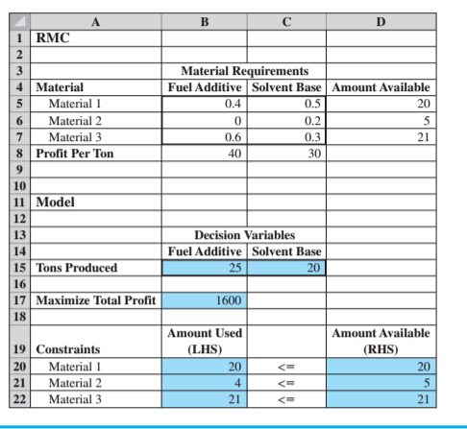
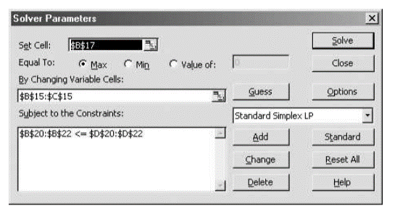
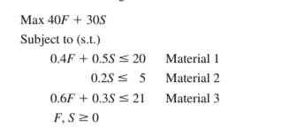
Example 1:
Max. Z = 100 X₁ + 80X_{2 …}……… (Product A & B)
Subject to constraints:
6X₁ + 4X₂ ≤ 7200 ………… (Resource I)
2X₁ + 4X₂ ≤ 4000 ………… (Resource II)
X₁, X₂ ≥ 0
Find optimal solution by simplex method.
 | Decision Variables
 | A | B
 | 800 | 600

Inputs |  |  | LHS |  | RHS
Resource I | 6 | 4 | 7200 | ≤ | 7200
Resource II | 2 | 4 | 4000 | ≤ | 4000
Units Profit | 100 | 80 | 128000
 |  |  | Max Profit

Example 2
The linear programming problem can now be expressed as follows:
Minimize Z = 40X₁ + 24X₂
Subject to
20X₁ + 50X₂ ≥ 4,800 ……… Phosphate requirement
80X₁ + 50 X₂ ≥ 7,200 ………Nitrogen requirement
X₁, X₂ ≥0 ……… Non-negativity restriction

 | Decision Variables
 | A | B
 | 0 | 144

Inputs |  |  | LHS |  | RHS
Phosphate requirement | 20 | 50 | 7200 | ≥ | 4800
Nitrogen requirement | 80 | 50 | 7200 | ≥ | 7200
Units Cost | 40 | 24 | 3456
 |  |  | Min Cost

